Title Page
Type | Value
Template Name | Self Managed Products and Certificates | This is the product type of the models being batch loaded. This field is locked.
Template Version | 1 | This is the template version, which is autogenerated. This field is locked.
Requested By | 50696 | string that may be a name or anything
Email IDs | ryan.bell@ul.com | email addresses that are ; delimited

UL Batch Upload Template
Overview
The purpose of this template is to allow for the loading of multiple related products and ratings to the Engineering Workbench. • Mass upload functionality is only available when creating new models. Existing models cannot be updated through this speadsheet. • Models will be created as Drafts once they are uploaded to the Engineering Workbench. Models that contain errors will not be loaded and can be viewed in the error report. • Components details will not be loaded into the Engineering Workbench. There is a seperate sheet available in this workbook for notation of which components belong to the end products. These components will need to be manually entered into the Engineering Workbench after the mass upload is complete. • A new mass upload template should be downloaded for each upload, to ensure that the latest attributes and validations are being applied.

Instructions
• The mass upload template consists of the Title Page, Product, Components and Additional Notes sheets. Do not delete, rename or modify the structure of these sheets. • On the Product sheet, Row 1 is the Display Level Title. These fields are locked; • Row 2 is the Attribute Display Name. Optional Attributes are colored black. Attributes that are required to be filled out are colored Red. These fields are locked; • Row 4 is the Unit of Measurement. These fields are locked; • Row 5 and below is where the attribute values can be entered. • Example:

• Attributes with a red arrow in the corner indicate that there is help text available to read, which may give guidance on how to enter the appropriate values for those fields. In order to activate the help text, hover over the attribute name. • Example:

• Attribute values will have validation turned on when a drop down box, or a range of values should be entered. • Examples:
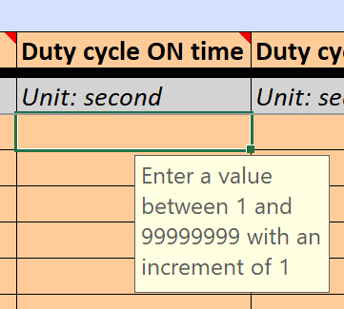
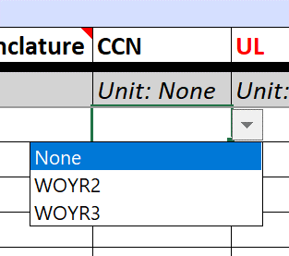

• Drop-down boxes that can have multiple selections will have a pop-up box indicating that the current cell is a multi-select list. • In order to enter additional items for the multi-select list, click on the first desired value, then in the formula bar type in a semi-colon and manually type in the additional value(s), each separated by a semi-colon. • Examples:

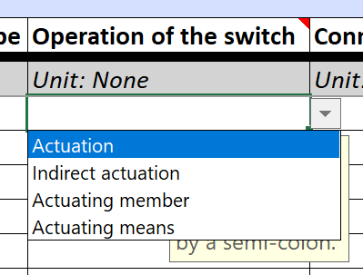
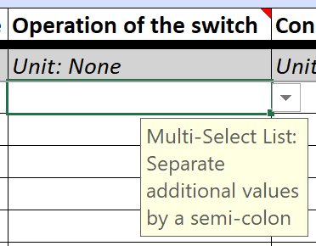
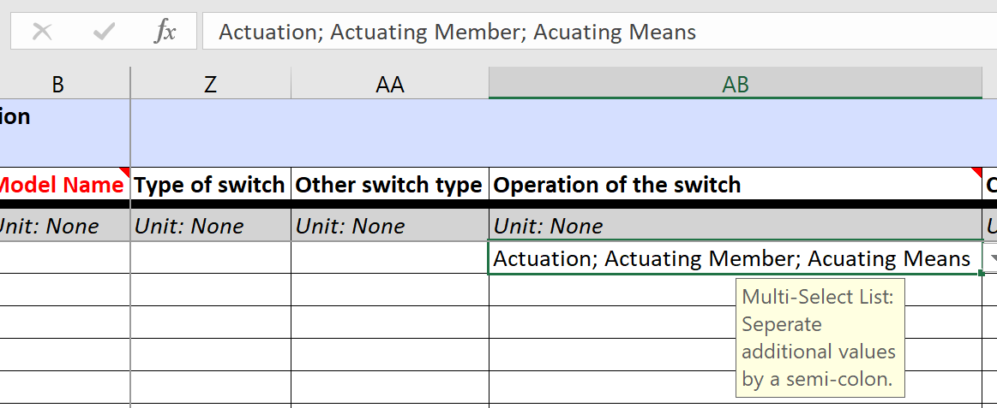

• When attributes can be placed in a multi-row table, the product sheet will highlight the column that is part of the table in a different color. • To add an additional row to the table, add the subsequent value in the next unpopulated row, while leaving attributes outside of the table blank. • Examples:

Setting up this template:

Result in Workbench:
Model A:

Model B:

• Models in this template can be added to an existing collection, as long as: (1) - the existing collection is in draft status; (2) - the owner reference and reference number are the same on this template as they are in the existing collection; (3) - the collection attribute(s) entered in the template are an exact match to the collection attribute(s) used in the workbench; (4) - the template version of the product type in the workbench has not changed since the draft collection was initiated.

• To add New Models to the same collection, use the same collection attribute value across each model. Note, the collection attribute value will need to be distinct (cannot be re-used once it's been added to the workbench). • Example:

• To add New Models to separate collections, use the different collection attribute values across each model. Note, the collection attribute values will need to be distinct (cannot be re-used once it's been added to the workbench). • Example:

Characters to Avoid
• The Engineering Workbench can support the extended ASCII character set (up to charater 255). Anything outside of the character set, such as Unicode Hex characters, will cause an error on upload. • When entering information into open text fields, avoid using semi-colons, as they will cause an error on upload. • Common characters to avoid: ™, ©, ®, ⇦, and fractional values such as ½.

